Results
Goal of the A/B Test

The goal of the A/B test is to identify which of the three marketing campaigns is the most effective at increasing store sales. This A/B test will compare the performance of the campaigns using historical weekly sales data for each store, aggregated by location_id and promotion_id. The best-performing campaign should ultimately drive the highest increase in sales across different stores.

Target Metric

The target metric for this A/B test is total sales in thousands of dollars (sum of total sales). This metric provides a clear indication of the effectiveness of each campaign at boosting revenue. By aggregating the sales at the location and promotion level, we can compare how each campaign influences store sales.

SQL Queries for Aggregation and Data Preparation

Step 1: Aggregate Sales by LocationID and PromotionID

We aggregate the sales data at the location_id and promotion level to get the total and average sales for each campaign.

WITH aggregated_sales AS (
SELECT
location_id,
promotion,
AVG(sales_in_thousands) AS avg_sales,
SUM(sales_in_thousands) AS total_sales,
COUNT(week) AS num_weeks
FROM `turing_data_analytics.wa_marketing_campaign`
GROUP BY location_id, promotion
)
SELECT * FROM aggregated_sales;

This query calculates (results in tab SQL output)

avg_sales: The average sales for each store under a specific promotion
total_sales: The total sales for each store under a specific promotion
num_weeks: The number of weeks each store has been tracked under a promotion.

Statistical Testing

Step 2: T-Test for Continuous Metric

To compare the effectiveness of the promotions, we perform pairwise t-tests. For each pair of campaigns, we use a two-sample t-test to compare the sales.

Treatment effect: The difference in sales between the two campaigns.
Confidence interval: A range of values that is likely to contain the true treatment effect. Used 99% confidence.
P-value: To determine whether the difference between campaigns is statistically significant.

Test 1: Promotion 1 vs Promotion 2
H₀ (Null Hypothesis): There is no significant difference between the sales of Promotion 1 and Promotion 2.
H₁ (Alternative Hypothesis): There is a significant difference between the sales of Promotion 1 and Promotion 2.

Test 2: Promotion 1 vs Promotion 3
H₀ (Null Hypothesis): There is no significant difference between the sales of Promotion 1 and Promotion 3.
H₁ (Alternative Hypothesis): There is a significant difference between the sales of Promotion 1 and Promotion 3.

Test 3: Promotion 2 vs Promotion 3
H₀ (Null Hypothesis): There is no significant difference between the sales of Promotion 2 and Promotion 3.
H₁ (Alternative Hypothesis): There is a significant difference between the sales of Promotion 2 and Promotion 3.

We performed pairwise comparisons between the three campaigns and calculate the statistics using the Evan Miller A/B Test Calculator.
If the p-value is less than 0.01 (since we're using a 99% confidence interval due to the multiple testing problem), we conclude that the difference in average sales between the two campaigns is statistically significant.

Test 1: Promotion 1 vs Promotion 2
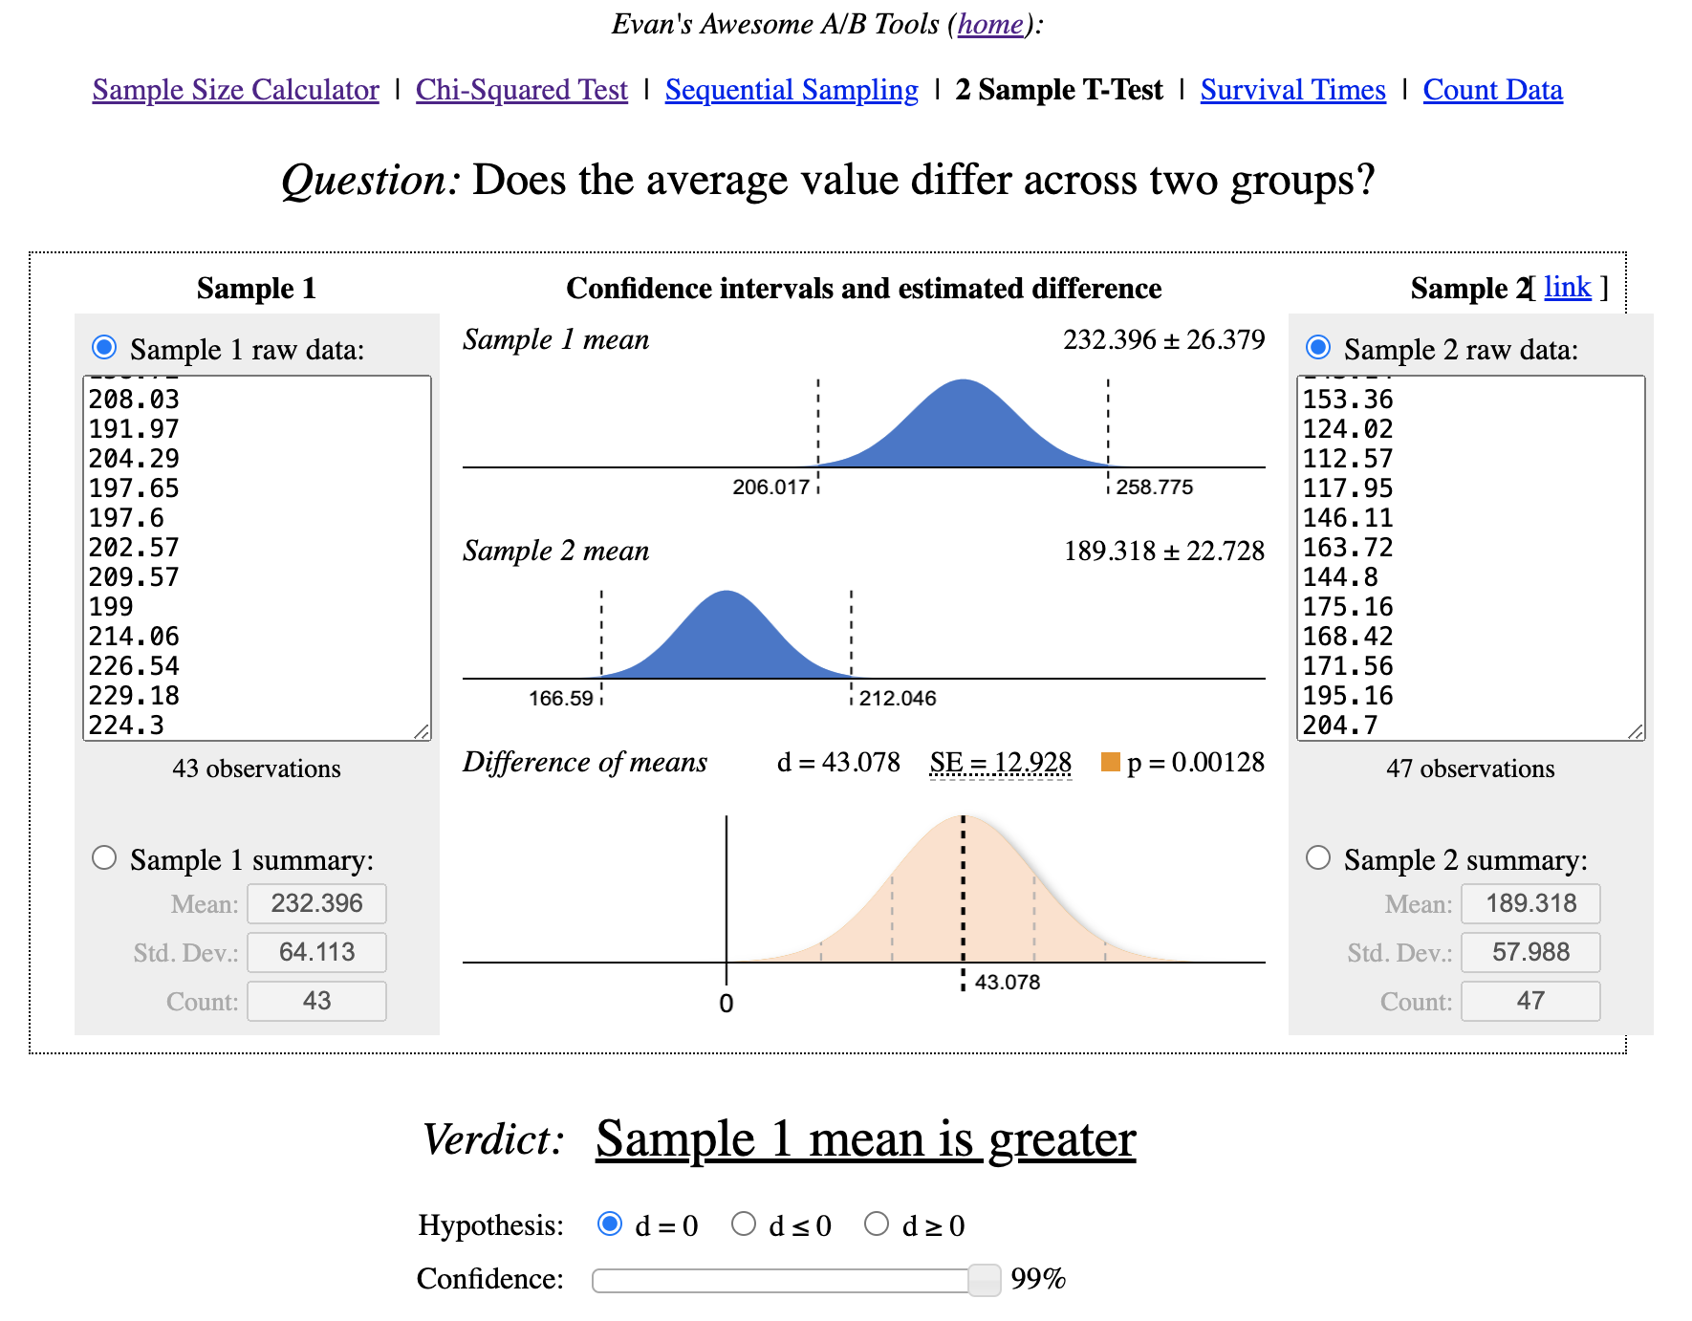

Test 2: Promotion 1 vs Promotion 3

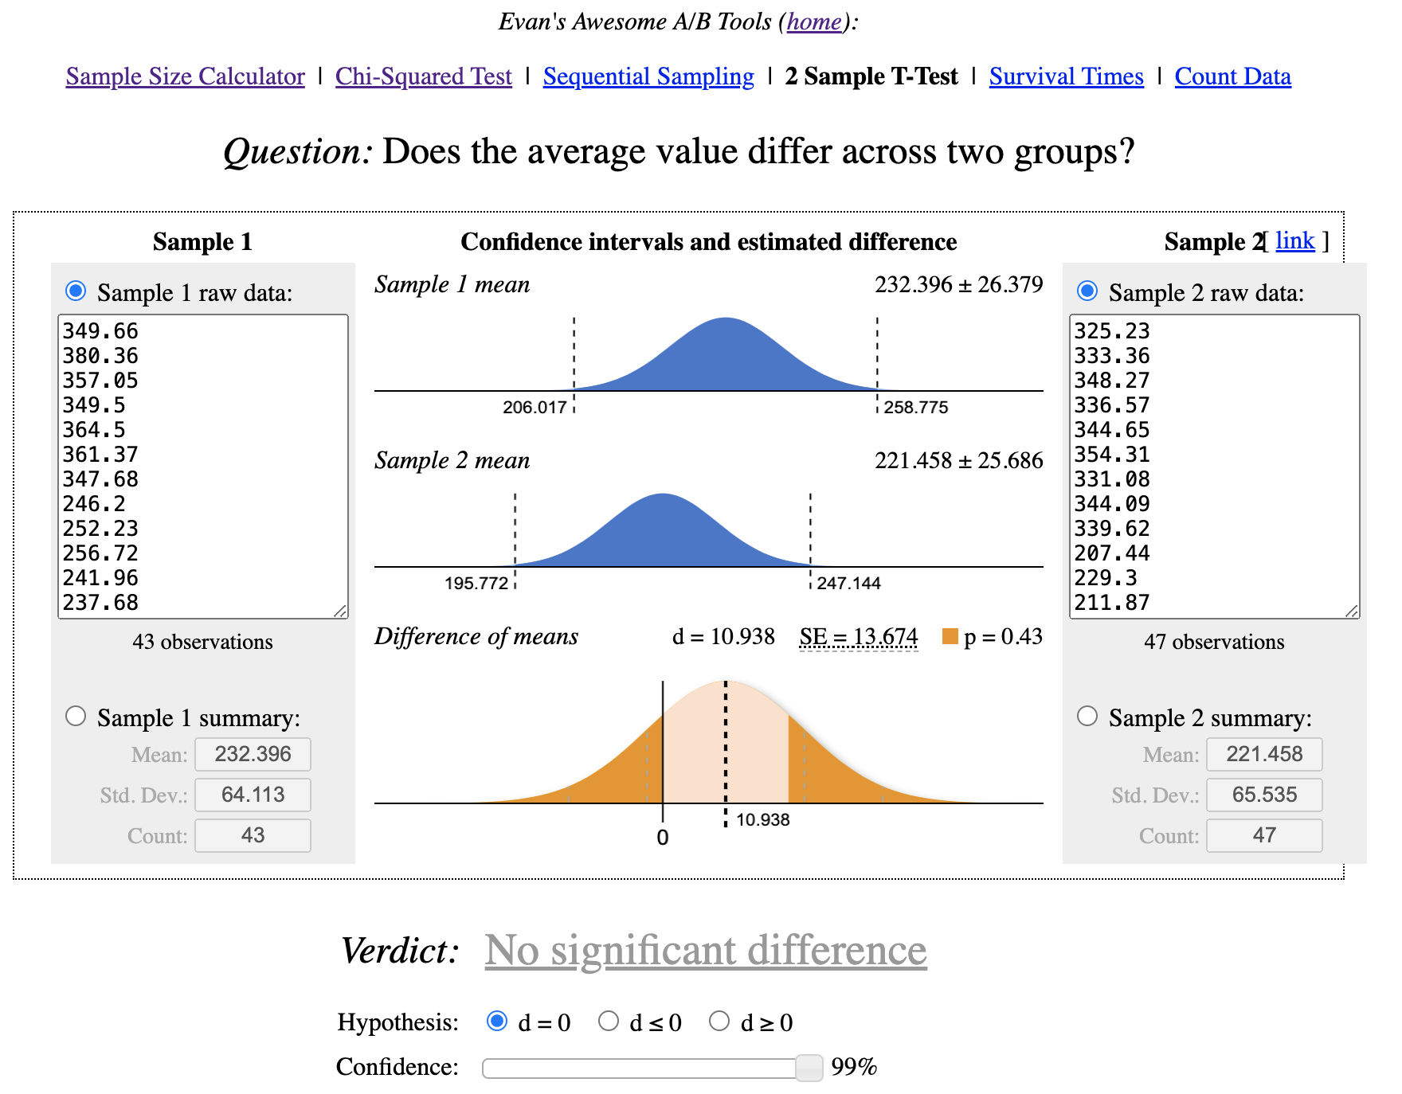

Test 3: Promotion 2 vs Promotion 3

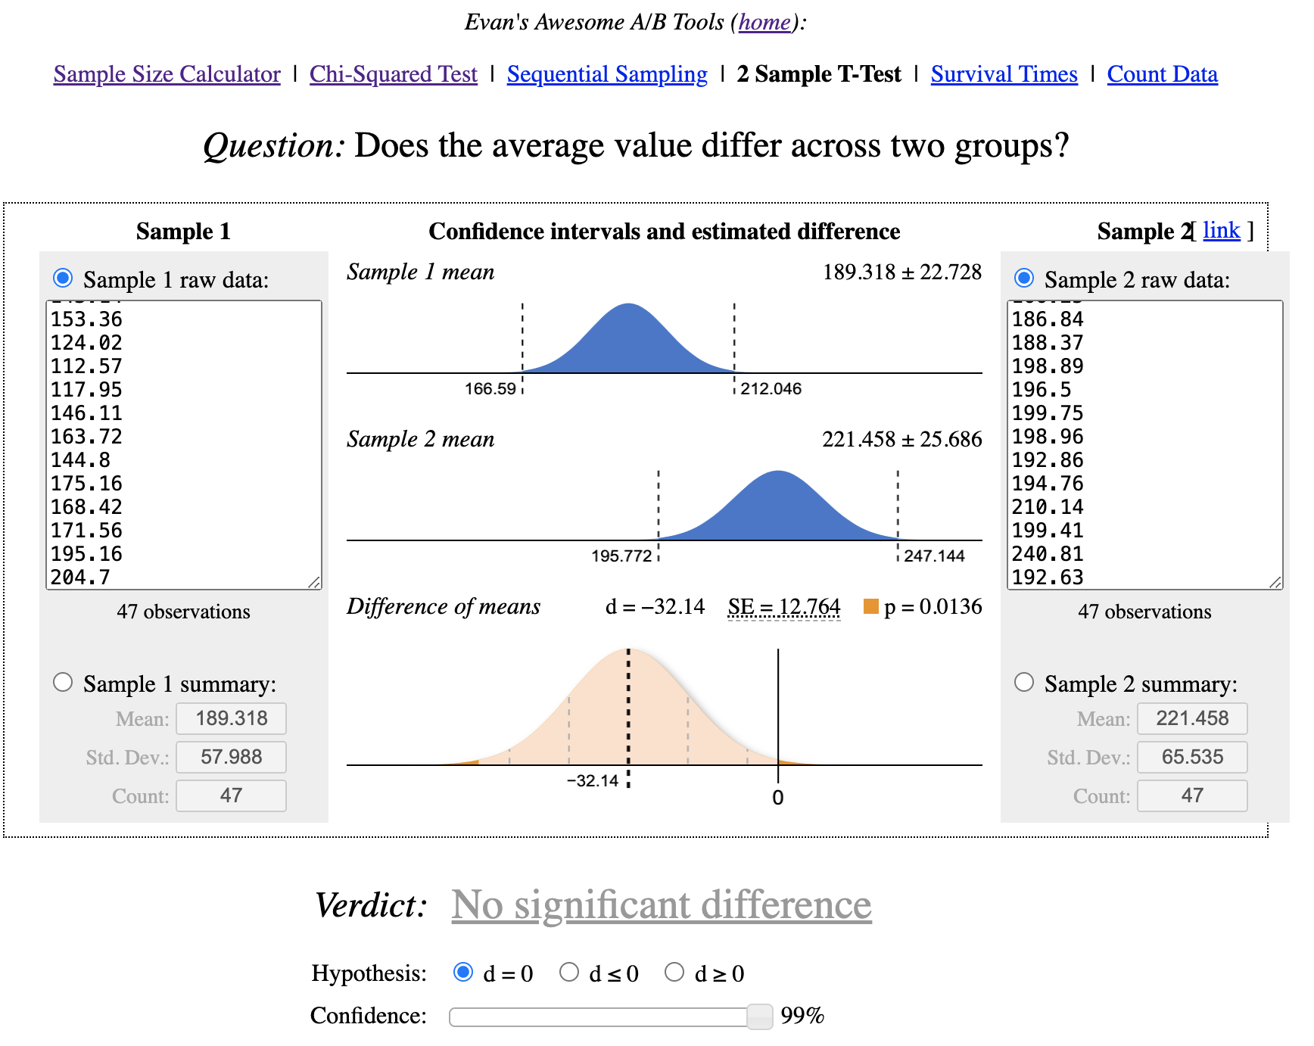

Results

After running all 3 tests, these are the findings:
TEST 1: Given the p-value of 0.00128, which is smaller than 0.01, we reject the null hypothesis with 99% confidence. This means that mean difference between Promotion 1 and Promotion 2 is statistically significant. Thus, at 99% confidence, we have strong evidence that Promotion 1 leads to significantly higher sales than Promotion 2.
TEST 2: No significant difference
TEST 3: No significant difference, but p-value is very close to alpha, so it would be useful to repeat the test with more data.

This A/B test identify that 1st Promotion campaign is most effective at increasing store sales, thus 1st promotion campaign should ultimately drive the highest increase in sales across different stores as well.

